Sheet1
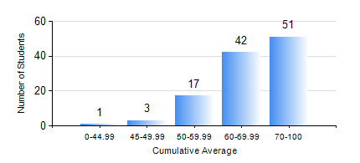
 |  |  | KWAME NKRUMAH UNIVERSITY OF SCIENCE AND TECHNOLOGY, KUMASI Department of Petroleum Engineering

 |  |  | BSC. PETROLEUM ENG.

 |  |  | COMPREHENSIVE RECORD OF EXAMINATION RESULTS

 |  |  | RESULTS OF YEAR 2 SECOND SEMESTER, 2019/2020 ACADEMIC YEAR

 | Sn | Course Code |  | Course Name | Credit Hours | Min. Mark | Max. Mark | Avg. Mark | Std. Dev. | No. Passed | No. Trailed | No. (Df) | No. (I) | No. (I*) | No. Tagged(I,I*,Df) | Total
 | 0. |  |  |  |  |  |  | 0 | 0 | 0 | 0 | 0 | 0 | 0 | 0 | 4
 | 1. | CHE 250 |  | STRENGTH OF MATERIALS FOR CHEMICAL ENGINEERS | 2 | 40 | 97 | 88 | 8.96 | 109 | 0 | 0 | 1 | 0 | 1 | 110
 | 2. | CHE 254 |  | CHEMICAL ENGINEERING THERMODYNAMICS II | 2 | 50 | 83 | 65 | 8.72 | 109 | 0 | 0 | 1 | 0 | 1 | 110
 | 3. | CHE 258 |  | DRAWING FOR ENGINEERS | 2 | 40 | 81 | 61 | 11.07 | 107 | 0 | 0 | 3 | 0 | 3 | 110
 | 4. | MATH 252 |  | CALCULUS OF SEVERAL VARIABLES | 4 | 40 | 94 | 75 | 11.55 | 107 | 0 | 0 | 3 | 0 | 3 | 110
 | 5. | PETE 252 |  | PETROLEUM ENGINEERING SYSTEMS | 2 | 50 | 76 | 69 | 5.37 | 110 | 0 | 0 | 0 | 0 | 0 | 110
 | 6. | PETE 256 |  | INTRODUCTION TO GEOLOGY | 3 | 73 | 88 | 82 | 3.67 | 110 | 0 | 0 | 0 | 0 | 0 | 110
 | 7. | PETE 260 |  | RESERVOIR FLUID TRANSPORT | 3 | 52 | 89 | 70 | 8.54 | 109 | 0 | 0 | 1 | 0 | 1 | 110

